I1S1
Sample Nr: | I1S1 | Injectite 1 |  | Size thinsection: |  | 27 mm x 46 mm
 | Counts per size
Grain/mineral | < 0,1 mm | 0,1 - 0,5 mm | 0,5 - 1 mm | > 1 mm | Total | Total % | Rel. %
Quartz | 38 | 56 | 25 | 4 | 123 | 80.4 | 72.893258427
Oxide | 1 | 3 | 1 |  | 5 | 3.3 | 2.8792134831
Plagioclase |  |  |  |  | 0 | 0.0 | 0
K-Feldspar |  | 1 | 1 |  | 2 | 1.3 | 1.7556179775
Mica |  | 8 |  |  | 8 | 5.2 | 3.9325842697
Zircon |  | 1 |  |  | 1 | 0.7 | 0.49157303371
Red clay/Rutile |  |  |  | 1 | 1 | 0.7 | 2.106741573
Amphibole |  | 1 |  |  | 1 | 0.7 | 0.49157303371
Glauconite |  |  | 1 |  | 1 | 0.7 | 1.2640449438
Chalcedony |  | 3 | 2 |  | 5 | 3.3 | 4.0028089888
 |  |  |  |  | 0 | 0.0 | 0
Lithic grain |  | 1 | 1 | 3 | 5 | 3.3 | 8.0758426966
Shell fossils |  |  |  |  | 0 | 0.0 | 0
Wood fossils |  |  |  | 1 | 1 | 0.7 | 2.106741573
Total | 39 | 74 | 31 | 9 | 153 | 100.0 | 100
Total size % | 25.5 | 48.4 | 20.3 | 5.9 | 100.0
Total mm2 | 3.9 | 25.9 | 27.9 | 13.5 | 71.2
Relative total size % | 5.5 | 36.4 | 39.2 | 19.0

Matrix % | 12.50

 | Undulouse | Broken | Normal
Quartz extinction | 50 - 60% | 10 - 15% | about 30%

Sphericity/roundness |  | 8 | 4 | 42 | 58 | 30
 | 0.9 |  |  | 8 | 24 | 13 | 45 |  | Average roundness | 0.63802816901
 | 0.7 |  | 4 | 21 | 21 | 11 | 57 |  | Average sphericity | 0.68450704225
Sphericity | 0.5 |  |  | 9 | 11 | 4 | 24
 | 0.3 | 8 |  | 4 | 2 | 2 | 16
 |  | 0.1 | 0.3 | 0.5 | 0.7 | 0.9
 |  |  | Roundness
 | Total | 142
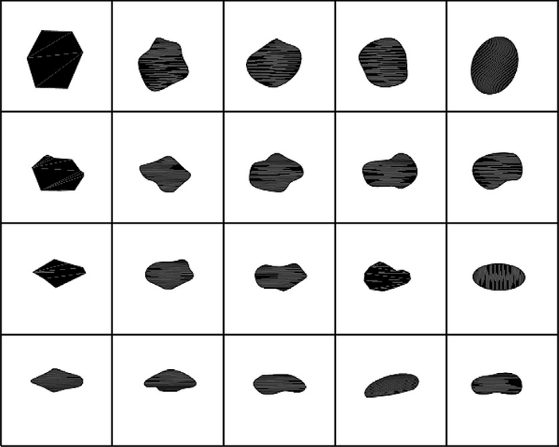
 | 0.9 | 0.00% | 0.00% | 5.63% | 16.90% | 9.15% |  | Notes: | Mica's give the 5,63% of low roundness and sphericity
 | 0.7 | 0.00% | 2.82% | 14.79% | 14.79% | 7.75%
 | 0.5 | 0.00% | 0.00% | 6.34% | 7.75% | 2.82%
 | 0.3 | 5.63% | 0.00% | 2.82% | 1.41% | 1.41%
 |  | 0.1 | 0.3 | 0.5 | 0.7 | 0.9

