Q1-Core
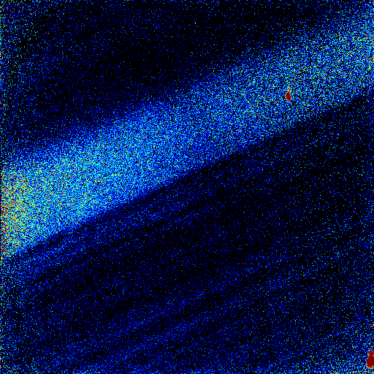
50um | 512 pixels
Profile 1a | Distance (um) | Al/Si | Profile 1b | Distance (um) | Al/Si
0 | 0.000 | 3.684 | 0 | 0.000 | 3.553
1 | 0.098 | 3.307 | 1 | 0.098 | 3.721
2 | 0.195 | 3.583 | 2 | 0.195 | 3.699
3 | 0.293 | 3.832 | 3 | 0.293 | 3.560
4 | 0.391 | 3.468 | 4 | 0.391 | 3.734
5 | 0.488 | 3.505 | 5 | 0.488 | 3.822
6 | 0.586 | 3.719 | 6 | 0.586 | 3.558
7 | 0.684 | 3.706 | 7 | 0.684 | 3.576
8 | 0.781 | 3.659 | 8 | 0.781 | 3.741
9 | 0.879 | 3.571 | 9 | 0.879 | 3.783
10 | 0.977 | 3.434 | 10 | 0.977 | 3.731
Profile 1b
11 | 1.074 | 3.242 | 11 | 1.074 | 3.688
12 | 1.172 | 3.509 | 12 | 1.172 | 3.984
13 | 1.270 | 3.325 | 13 | 1.270 | 3.823
14 | 1.367 | 3.740 | 14 | 1.367 | 3.505
15 | 1.465 | 3.405 | 15 | 1.465 | 3.514
16 | 1.563 | 3.596 | 16 | 1.563 | 3.634
17 | 1.660 | 3.668 | 17 | 1.660 | 3.863
18 | 1.758 | 3.773 | 18 | 1.758 | 3.810
19 | 1.855 | 3.783 | 19 | 1.855 | 3.848
20 | 1.953 | 3.706 | 20 | 1.953 | 3.987
21 | 2.051 | 3.593 | 21 | 2.051 | 3.919
22 | 2.148 | 3.838 | 22 | 2.148 | 3.893
23 | 2.246 | 3.714 | 23 | 2.246 | 4.212
24 | 2.344 | 3.711 | 24 | 2.344 | 4.204
25 | 2.441 | 3.618 | 25 | 2.441 | 4.296
26 | 2.539 | 3.712 | 26 | 2.539 | 4.278
27 | 2.637 | 3.769 | 27 | 2.637 | 4.337
28 | 2.734 | 3.703 | 28 | 2.734 | 4.230
29 | 2.832 | 3.822 | 29 | 2.832 | 4.668
Profile 1a
30 | 2.930 | 3.771 | 30 | 2.930 | 4.651
31 | 3.027 | 3.696 | 31 | 3.027 | 4.306
32 | 3.125 | 3.388 | 32 | 3.125 | 4.385
33 | 3.223 | 3.681 | 33 | 3.223 | 4.444
34 | 3.320 | 3.780 | 34 | 3.320 | 5.008
35 | 3.418 | 3.813 | 35 | 3.418 | 4.893
36 | 3.516 | 3.734 | 36 | 3.516 | 4.595
37 | 3.613 | 3.787 | 37 | 3.613 | 4.636
38 | 3.711 | 3.936 | 38 | 3.711 | 5.002
39 | 3.809 | 3.914 | 39 | 3.809 | 5.157
40 | 3.906 | 4.432 | 40 | 3.906 | 5.246
41 | 4.004 | 4.276 | 41 | 4.004 | 5.179
42 | 4.102 | 4.247 | 42 | 4.102 | 5.398
43 | 4.199 | 4.411 | 43 | 4.199 | 5.420
44 | 4.297 | 4.253 | 44 | 4.297 | 5.605
45 | 4.395 | 4.278 | 45 | 4.395 | 5.787
46 | 4.492 | 4.501 | 46 | 4.492 | 5.922
47 | 4.590 | 4.548 | 47 | 4.590 | 6.191
48 | 4.688 | 4.314 | 48 | 4.688 | 6.098
49 | 4.785 | 4.645 | 49 | 4.785 | 6.193
50 | 4.883 | 4.700 | 50 | 4.883 | 6.310
51 | 4.980 | 4.508 | 51 | 4.980 | 6.318
52 | 5.078 | 4.618 | 52 | 5.078 | 6.736
53 | 5.176 | 4.745 | 53 | 5.176 | 6.840
54 | 5.273 | 5.051 | 54 | 5.273 | 7.509
55 | 5.371 | 4.898 | 55 | 5.371 | 7.373
56 | 5.469 | 4.878 | 56 | 5.469 | 7.629
57 | 5.566 | 5.032 | 57 | 5.566 | 7.957
58 | 5.664 | 5.248 | 58 | 5.664 | 8.081
59 | 5.762 | 5.456 | 59 | 5.762 | 8.574
60 | 5.859 | 5.520 | 60 | 5.859 | 8.619
61 | 5.957 | 5.594 | 61 | 5.957 | 8.850
62 | 6.055 | 5.715 | 62 | 6.055 | 8.973
63 | 6.152 | 5.810 | 63 | 6.152 | 8.889
64 | 6.250 | 5.973 | 64 | 6.250 | 9.643
65 | 6.348 | 6.013 | 65 | 6.348 | 9.626
66 | 6.445 | 6.317 | 66 | 6.445 | 9.898
67 | 6.543 | 6.246 | 67 | 6.543 | 9.928
68 | 6.641 | 6.409 | 68 | 6.641 | 9.909
69 | 6.738 | 6.589 | 69 | 6.738 | 9.960
70 | 6.836 | 6.934 | 70 | 6.836 | 9.777
71 | 6.934 | 7.057 | 71 | 6.934 | 10.371
72 | 7.031 | 7.115 | 72 | 7.031 | 10.606
73 | 7.129 | 7.773 | 73 | 7.129 | 10.616
74 | 7.227 | 7.831 | 74 | 7.227 | 10.401
75 | 7.324 | 8.266 | 75 | 7.324 | 10.408
76 | 7.422 | 8.452 | 76 | 7.422 | 11.063
77 | 7.520 | 8.376 | 77 | 7.520 | 10.805
78 | 7.617 | 8.478 | 78 | 7.617 | 11.317
79 | 7.715 | 8.735 | 79 | 7.715 | 11.346
80 | 7.813 | 9.033 | 80 | 7.813 | 11.259
81 | 7.910 | 9.131 | 81 | 7.910 | 11.013
82 | 8.008 | 9.560 | 82 | 8.008 | 11.347
83 | 8.105 | 9.645 | 83 | 8.105 | 11.497
84 | 8.203 | 10.062 | 84 | 8.203 | 11.885
85 | 8.301 | 9.680 | 85 | 8.301 | 11.958
86 | 8.398 | 10.572 | 86 | 8.398 | 11.926
87 | 8.496 | 10.457 | 87 | 8.496 | 12.155
88 | 8.594 | 10.018 | 88 | 8.594 | 11.981
89 | 8.691 | 10.329 | 89 | 8.691 | 11.659
90 | 8.789 | 10.435 | 90 | 8.789 | 11.988
91 | 8.887 | 10.772 | 91 | 8.887 | 11.923
92 | 8.984 | 10.346 | 92 | 8.984 | 11.784
93 | 9.082 | 10.666 | 93 | 9.082 | 12.342
94 | 9.180 | 10.780 | 94 | 9.180 | 12.408
95 | 9.277 | 11.448 | 95 | 9.277 | 12.420
96 | 9.375 | 11.156 | 96 | 9.375 | 12.001
97 | 9.473 | 11.382 | 97 | 9.473 | 11.879
98 | 9.570 | 11.409 | 98 | 9.570 | 12.165
99 | 9.668 | 10.999 | 99 | 9.668 | 12.073
100 | 9.766 | 11.163 | 100 | 9.766 | 12.145
101 | 9.863 | 11.865 | 101 | 9.863 | 11.963
102 | 9.961 | 11.824 | 102 | 9.961 | 12.057
103 | 10.059 | 11.980 | 103 | 10.059 | 12.094
104 | 10.156 | 11.886 | 104 | 10.156 | 12.201
105 | 10.254 | 12.128 | 105 | 10.254 | 11.848
106 | 10.352 | 11.811 | 106 | 10.352 | 12.352
107 | 10.449 | 11.592 | 107 | 10.449 | 11.978
108 | 10.547 | 11.955 | 108 | 10.547 | 11.893
109 | 10.645 | 11.991 | 109 | 10.645 | 12.230
110 | 10.742 | 12.376 | 110 | 10.742 | 12.026
111 | 10.840 | 12.053 | 111 | 10.840 | 12.207
112 | 10.938 | 12.450 | 112 | 10.938 | 11.802
113 | 11.035 | 11.979 | 113 | 11.035 | 12.043
114 | 11.133 | 11.624
115 | 11.230 | 12.347
116 | 11.328 | 12.184
117 | 11.426 | 12.287
118 | 11.523 | 12.277
119 | 11.621 | 11.794
120 | 11.719 | 11.861
121 | 11.816 | 12.133
122 | 11.914 | 12.246
123 | 12.012 | 11.789
124 | 12.109 | 11.925
125 | 12.207 | 11.994
126 | 12.305 | 12.386
127 | 12.402 | 11.855
128 | 12.500 | 12.136
129 | 12.598 | 11.894
130 | 12.695 | 12.071
131 | 12.793 | 12.258
132 | 12.891 | 12.252
133 | 12.988 | 12.093
134 | 13.086 | 12.050
135 | 13.184 | 12.259
136 | 13.281 | 11.916
137 | 13.379 | 12.009
138 | 13.477 | 11.860
139 | 13.574 | 11.940
140 | 13.672 | 12.292
141 | 13.770 | 12.271
142 | 13.867 | 11.775
143 | 13.965 | 12.020

Q1-mantle
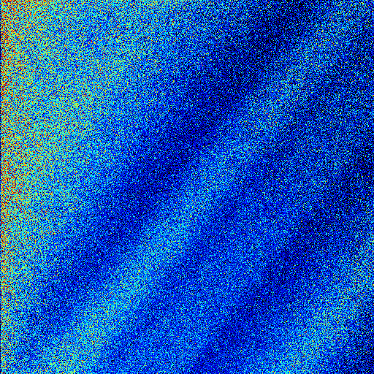
Profile 1a
Profile 1b
20um | 512 pixels
Profile 1a | Distance (um) | Al/Si | Profile 1b | Distance (um) | Al/Si | Profile 2a | Distance (um) | Al/Si | Profile 2b | Distance (um) | Al/Si
0 | 0.000 | 5.178 | 0 | 0.000 | 6.024 | 68 | 2.656 | 7.028 | 0 | 0.000 | 8.085
1 | 0.039 | 5.598 | 1 | 0.039 | 5.766 | 69 | 2.695 | 6.872 | 1 | 0.039 | 8.100
2 | 0.078 | 5.471 | 2 | 0.078 | 5.923 | 70 | 2.734 | 6.897 | 2 | 0.078 | 8.393
3 | 0.117 | 5.860 | 3 | 0.117 | 5.414 | 71 | 2.773 | 6.926 | 3 | 0.117 | 8.644
4 | 0.156 | 5.698 | 4 | 0.156 | 5.672 | 72 | 2.813 | 7.147 | 4 | 0.156 | 8.597
5 | 0.195 | 5.666 | 5 | 0.195 | 5.897 | 73 | 2.852 | 6.814 | 5 | 0.195 | 8.701
6 | 0.234 | 5.418 | 6 | 0.234 | 5.793 | 74 | 2.891 | 6.540 | 6 | 0.234 | 8.553
7 | 0.273 | 5.503 | 7 | 0.273 | 5.585 | 75 | 2.930 | 6.604 | 7 | 0.273 | 8.854
8 | 0.313 | 5.610 | 8 | 0.313 | 5.405 | 76 | 2.969 | 7.082 | 8 | 0.313 | 8.103
9 | 0.352 | 5.692 | 9 | 0.352 | 5.462 | 77 | 3.008 | 7.117 | 9 | 0.352 | 8.109
10 | 0.391 | 5.308 | 10 | 0.391 | 5.466 | 78 | 3.047 | 6.805 | 10 | 0.391 | 8.549
11 | 0.430 | 5.382 | 11 | 0.430 | 5.293 | 79 | 3.086 | 6.869 | 11 | 0.430 | 8.647
12 | 0.469 | 5.348 | 12 | 0.469 | 5.764 | 80 | 3.125 | 6.975 | 12 | 0.469 | 8.795
13 | 0.508 | 5.278 | 13 | 0.508 | 5.671 | 81 | 3.164 | 6.721 | 13 | 0.508 | 8.469
14 | 0.547 | 5.354 | 14 | 0.547 | 5.709 | 82 | 3.203 | 6.718 | 14 | 0.547 | 8.488
2
profile 2a
profile 2b
15 | 0.586 | 5.234 | 15 | 0.586 | 5.540 | 83 | 3.242 | 6.825 | 15 | 0.586 | 8.272
16 | 0.625 | 5.505 | 16 | 0.625 | 5.288 | 84 | 3.281 | 6.690 | 16 | 0.625 | 8.201
17 | 0.664 | 5.373 | 17 | 0.664 | 5.675 | 85 | 3.320 | 6.668 | 17 | 0.664 | 8.226
18 | 0.703 | 5.298 | 18 | 0.703 | 5.627 | 86 | 3.359 | 6.906 | 18 | 0.703 | 8.220
1
19 | 0.742 | 5.658 | 19 | 0.742 | 5.310 | 87 | 3.398 | 6.610 | 19 | 0.742 | 7.755
20 | 0.781 | 5.476 | 20 | 0.781 | 5.691 | 88 | 3.438 | 6.461 | 20 | 0.781 | 8.036
21 | 0.820 | 5.205 | 21 | 0.820 | 5.450 | 89 | 3.477 | 6.358 | 21 | 0.820 | 7.859
22 | 0.859 | 5.370 | 22 | 0.859 | 5.452 | 90 | 3.516 | 6.184 | 22 | 0.859 | 7.714
23 | 0.898 | 4.909 | 23 | 0.898 | 5.572 | 91 | 3.555 | 5.953 | 23 | 0.898 | 7.505
24 | 0.938 | 5.093 | 24 | 0.938 | 5.468 | 92 | 3.594 | 5.858 | 24 | 0.938 | 7.719
25 | 0.977 | 5.655 | 25 | 0.977 | 5.349 | 93 | 3.633 | 6.062 | 25 | 0.977 | 7.419
26 | 1.016 | 5.376 | 26 | 1.016 | 5.295 | 94 | 3.672 | 6.044 | 26 | 1.016 | 7.319
27 | 1.055 | 5.247 | 27 | 1.055 | 5.416 | 95 | 3.711 | 5.880 | 27 | 1.055 | 7.300
28 | 1.094 | 5.112 | 28 | 1.094 | 5.090 | 96 | 3.750 | 5.635 | 28 | 1.094 | 7.173
29 | 1.133 | 5.065 | 29 | 1.133 | 5.132 | 97 | 3.789 | 5.684 | 29 | 1.133 | 7.537
30 | 1.172 | 4.903 | 30 | 1.172 | 4.994 | 98 | 3.828 | 5.561 | 30 | 1.172 | 7.396
31 | 1.211 | 5.116 | 31 | 1.211 | 4.835 | 99 | 3.867 | 5.076 | 31 | 1.211 | 6.695
32 | 1.250 | 5.153 | 32 | 1.250 | 4.989 | 100 | 3.906 | 5.291 | 32 | 1.250 | 6.757
33 | 1.289 | 4.935 | 33 | 1.289 | 4.642 | 101 | 3.945 | 5.110 | 33 | 1.289 | 6.930
34 | 1.328 | 4.867 | 34 | 1.328 | 4.445 | 102 | 3.984 | 5.038 | 34 | 1.328 | 6.472
35 | 1.367 | 4.568 | 35 | 1.367 | 4.397 | 103 | 4.023 | 4.878 | 35 | 1.367 | 6.245
36 | 1.406 | 4.677 | 36 | 1.406 | 4.292 | 104 | 4.063 | 4.964 | 36 | 1.406 | 5.991
37 | 1.445 | 4.579 | 37 | 1.445 | 4.122 | 105 | 4.102 | 5.116 | 37 | 1.445 | 6.112
38 | 1.484 | 3.926 | 38 | 1.484 | 4.144 | 106 | 4.141 | 4.665 | 38 | 1.484 | 5.799
39 | 1.523 | 4.012 | 39 | 1.523 | 3.965 | 107 | 4.180 | 4.679 | 39 | 1.523 | 5.767
40 | 1.563 | 4.101 | 40 | 1.563 | 4.121 | 108 | 4.219 | 4.470 | 40 | 1.563 | 6.112
41 | 1.602 | 4.145 | 41 | 1.602 | 3.953 | 109 | 4.258 | 4.464 | 41 | 1.602 | 6.120
42 | 1.641 | 3.721 | 42 | 1.641 | 3.569 | 110 | 4.297 | 4.221 | 42 | 1.641 | 5.571
43 | 1.680 | 4.036 | 43 | 1.680 | 3.584 | 111 | 4.336 | 4.808 | 43 | 1.680 | 5.434
44 | 1.719 | 3.863 | 44 | 1.719 | 3.786 | 112 | 4.375 | 4.269 | 44 | 1.719 | 5.432
45 | 1.758 | 3.793 | 45 | 1.758 | 3.875 | 113 | 4.414 | 4.301 | 45 | 1.758 | 5.366
46 | 1.797 | 3.642 | 46 | 1.797 | 3.808 | 114 | 4.453 | 4.504 | 46 | 1.797 | 5.519
47 | 1.836 | 3.485 | 47 | 1.836 | 3.588 | 115 | 4.492 | 4.233 | 47 | 1.836 | 5.259
48 | 1.875 | 3.538 | 48 | 1.875 | 3.863 | 116 | 4.531 | 4.211 | 48 | 1.875 | 5.166
49 | 1.914 | 3.712 | 49 | 1.914 | 3.734 | 117 | 4.570 | 4.213 | 49 | 1.914 | 5.255
50 | 1.953 | 3.888 | 50 | 1.953 | 3.879 | 118 | 4.609 | 4.107 | 50 | 1.953 | 4.969
51 | 1.992 | 3.562 | 51 | 1.992 | 3.941 | 119 | 4.648 | 4.221 | 51 | 1.992 | 5.111
52 | 2.031 | 3.467 | 52 | 2.031 | 3.617 | 120 | 4.688 | 4.285 | 52 | 2.031 | 4.812
53 | 2.070 | 3.721 | 53 | 2.070 | 3.749 | 121 | 4.727 | 4.206 | 53 | 2.070 | 4.977
54 | 2.109 | 3.752 | 54 | 2.109 | 3.954 | 122 | 4.766 | 4.113 | 54 | 2.109 | 5.196
55 | 2.148 | 3.934 | 55 | 2.148 | 3.618 | 123 | 4.805 | 4.195 | 55 | 2.148 | 5.131
56 | 2.188 | 3.489 | 56 | 2.188 | 3.603 | 124 | 4.844 | 4.358 | 56 | 2.188 | 4.868
57 | 2.227 | 3.546 | 57 | 2.227 | 3.621 | 125 | 4.883 | 4.587 | 57 | 2.227 | 5.211
58 | 2.266 | 3.628 | 58 | 2.266 | 3.800 | 126 | 4.922 | 4.315 | 58 | 2.266 | 4.916
59 | 2.305 | 3.769 |  |  |  | 127 | 4.961 | 4.529 | 59 | 2.305 | 5.060
60 | 2.344 | 3.658 |  |  |  | 128 | 5.000 | 4.410 | 60 | 2.344 | 4.894
61 | 2.383 | 3.367 |  |  |  | 129 | 5.039 | 4.590 | 61 | 2.383 | 5.192
62 | 2.422 | 3.573 |  |  |  | 130 | 5.078 | 4.267 | 62 | 2.422 | 5.356
63 | 2.461 | 3.687 |  |  |  | 132 | 5.156 | 4.485 | 63 | 2.461 | 5.084
64 | 2.500 | 3.874 |  |  |  |  |  |  | 64 | 2.500 | 5.313
65 | 2.539 | 3.972
66 | 2.578 | 4.071
67 | 2.617 | 3.791
68 | 2.656 | 3.868
69 | 2.695 | 3.900
70 | 2.734 | 3.875
71 | 2.773 | 4.180
72 | 2.813 | 4.008

Q1-rim
Profile 1a
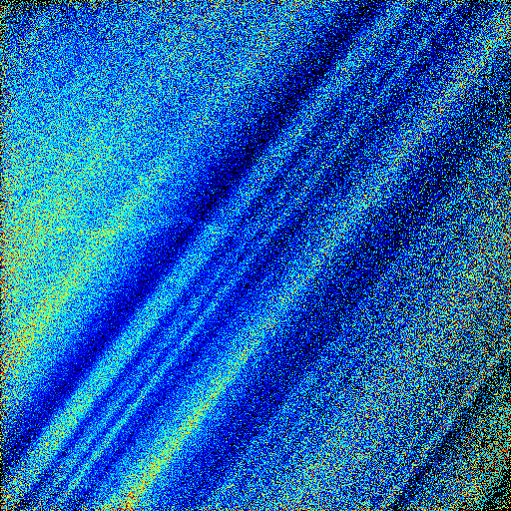
50um | 512 pixels
Profile 1a | Distance (um) | Al/Si | Profile 1b | Distance (um) | Al/Si | Profile 1c | Distance (um) | Al/Si
2 | 0.195 | 4.216 | 0 | 0.000 | 4.164 | 0 | 0.000 | 4.167
3 | 0.293 | 4.133 | 1 | 0.098 | 3.909 | 1 | 0.098 | 4.043
4 | 0.391 | 4.045 | 2 | 0.195 | 3.598 | 2 | 0.195 | 3.844
5 | 0.488 | 4.467 | 3 | 0.293 | 3.900 | 3 | 0.293 | 4.097
6 | 0.586 | 5.098 | 4 | 0.391 | 4.203 | 4 | 0.391 | 4.343
7 | 0.684 | 6.014 | 5 | 0.488 | 4.869 | 5 | 0.488 | 4.951
8 | 0.781 | 6.814 | 6 | 0.586 | 5.557 | 6 | 0.586 | 5.683
9 | 0.879 | 7.437 | 7 | 0.684 | 5.947 | 7 | 0.684 | 6.168
10 | 0.977 | 7.661 | 8 | 0.781 | 6.528 | 8 | 0.781 | 6.504
11 | 1.074 | 7.560 | 9 | 0.879 | 6.450 | 9 | 0.879 | 6.628
12 | 1.172 | 7.730 | 10 | 0.977 | 6.608 | 10 | 0.977 | 6.805
13 | 1.270 | 6.975 | 11 | 1.074 | 6.227 | 11 | 1.074 | 6.301
14 | 1.367 | 6.088 | 12 | 1.172 | 5.777 | 12 | 1.172 | 5.909
15 | 1.465 | 5.229 | 13 | 1.270 | 5.250 | 13 | 1.270 | 5.395
16 | 1.563 | 4.464 | 14 | 1.367 | 4.304 | 14 | 1.367 | 4.579
17 | 1.660 | 4.378 | 15 | 1.465 | 4.014 | 15 | 1.465 | 4.286
Profile 1b
18 | 1.758 | 4.114 | 16 | 1.563 | 3.754 | 16 | 1.563 | 4.070
19 | 1.855 | 4.186 | 17 | 1.660 | 3.575 | 17 | 1.660 | 3.820
20 | 1.953 | 4.118 | 18 | 1.758 | 3.467 | 18 | 1.758 | 3.689
21 | 2.051 | 4.213 | 19 | 1.855 | 3.701 | 19 | 1.855 | 3.775
22 | 2.148 | 4.170 | 20 | 1.953 | 3.699 | 20 | 1.953 | 3.697
 |  |  | 21 | 2.051 | 3.644 | 21 | 2.051 | 3.580
 |  |  | 22 | 2.148 | 3.386 | 22 | 2.148 | 3.559

Profile 1c

