Table S3
STACK > AVON03-66-1 (N=2) > Clinopyroxene > KONRAD (19-INT-03) SAMOA > ROSE SEAMOUNT 19-OSU-02 (2A30-19) > Incremental Heating > Daniel Heaton

Information on Analysis and Constants Used in Calculations | Results | 40(a)/36(a) | ± 2s | 40(r)/39(k) | ± 2s | Age | ± 2s | MSWD | 39Ar(k) | K/Ca | ± 2s
 |  |  |  |  |  | (Ma) |  |  | (%,n)

Project = KONRAD (19-INT-03) | Age Plateau |  |  | 8.71544 | ± 0.36088 | 24.81 | ± 1.02 | 0.36 | 100.00 | 0.010 | ± 0.003
Stack = AVON03-66-1 (N=2) |  |  |  |  | ± 4.14% |  | ± 4.13% | 100% | 42
Material = Clinopyroxene | Full External Error |  |  |  |  |  | ± 1.64 | 1.44 | 2σ Confidence Limit
Location = Rose Seamount | Analytical Error |  |  |  |  |  | ± 1.02 | 1.0000 | Error Magnification
Region = Samoa
Analyst = Daniel Heaton | Total Fusion Age |  |  | 8.77344 | ± 0.41212 | 24.97 | ± 1.17 |  | 42 | 0.102 | ± 0.005
Irradiation = 19-OSU-02 (2A30-19) |  |  |  |  | ± 4.70% |  | ± 4.68%
Position = X: 0 | Y: 0 | Z/H: 46.06823 mm | Full External Error |  |  |  |  |  | ± 1.74
FCT-NM Age = 28.201 ± 0.023 Ma | Analytical Error |  |  |  |  |  | ± 1.16
FCT-NM Reference = Kuiper et al (2008)
FCT-NM 40Ar/39Ar Ratio = 9.91773 ± 0.01894 | Normal Isochron No Convergence | 272.44 | ± 23.60 | 9.74873 | ± 0.49215 | 27.72 | ± 1.39 | 1.50 | 100.00
FCT-NM J-value = 0.00156543 ± 0.00000299 |  |  | ± 8.66% |  | ± 5.05% |  | ± 5.02% | 2% | 42
Air Shot 40Ar/36Ar = 298.4240 ± 0.4357 | Full External Error |  |  |  |  |  | ± 2.00 | 1.45 | 2σ Confidence Limit
Air Shot MDF = 1.00011408 ± 0.00044892 (LIN) | Analytical Error |  |  |  |  |  | ± 1.39 | 1.2227 | Error Magnification
Experiment Type = Incremental Heating
Extraction Method = Bulk Laser Heating | Inverse Isochron Overestimated Error | 314.85 | ± 20.47 | 8.51214 | ± 0.48336 | 24.23 | ± 1.37 | 0.29 | 100.00
Heating = 120 sec |  |  | ± 6.50% |  | ± 5.68% |  | ± 5.65% | 100% | 42
Isolation = 6.12 min | Full External Error |  |  |  |  |  | ± 1.86 | 1.45 | 2σ Confidence Limit
Instrument = ARGUS-VI-G | Analytical Error |  |  |  |  |  | ± 1.37 | 1.0000 | Error Magnification
Preferred Age = Plateau Age |  |  |  |  |  |  | 97% |  | Spreading Factor
Age Classification = Crystallization Age
Lithology = Basalt
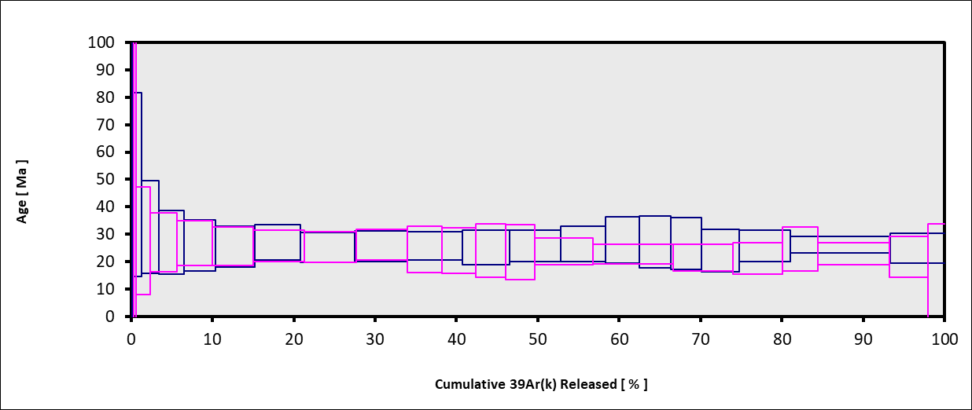
Lat-Lon = -14.6433, -168.1956
Age Equations = Min et al. (2000)
Negative Intensities = Allowed
Collector Calibrations = 40Ar 39Ar 38Ar 37Ar 36Ar
Decay 40K = 5.463 ± 0.107 E-10 1/a
Decay 39Ar = 2.940 ± 0.016 E-07 1/h
Decay 37Ar = 8.230 ± 0.012 E-04 1/h
Decay 36Cl = 2.257 ± 0.015 E-06 1/a
Decay 40K(EC,β⁺) = 0.580 ± 0.014 E-10 1/a
Decay 40K(β⁻) = 4.884 ± 0.099 E-10 1/a
Atmospheric 40/36(a) = 298.56 ± 0.31
Atmospheric 38/36(a) = 0.1885 ± 0.0003
Production 39/37(ca) = 0.0006425 ± 0.0000059
Production 38/37(ca) = 0.0001800 ± 0.0000173
Production 36/37(ca) = 0.0002703 ± 0.0000005
Production 40/39(k) = 0.000607 ± 0.000059
Production 38/39(k) = 0.012077 ± 0.000011
Production 36/38(cl) = 262.80 ± 1.71
Scaling Ratio K/Ca = 0.430
Abundance Ratio 40K/K = 1.1700 ± 0.0100 E-04
Atomic Weight K = 39.0983 ± 0.0001 g

 | RefLine |  | IsoLine |  | Ellipse |  | DataPoints |  | TF
0 | 0.0033494105038 | 0 | 0.0031761572613 | 0.014638152852 | 0.0036501582426 | 0.010058702177 | 0.0029724934237 | 0.068401374779 | 0.0013393772112
0.1777413704 | -0.0018391397781 | 0.1777413704 | -0.0016292384593 | 0.014528879032 | 0.0033110291523 | 0.011253730286 | 0.002850047417
 |  |  |  | 0.014114970048 | 0.0029488294117 | 0.038280538152 | 0.002104981561
 |  |  |  | 0.013424633112 | 0.0025882423343 | 0.060672959146 | 0.0014170760058
 |  |  |  | 0.012504913546 | 0.0022538413336 | 0.075714444503 | 0.00096551457469
 |  |  |  | 0.011418488719 | 0.0019684152851 | 0.062961557542 | 0.0014567973032
 |  |  |  | 0.010239396685 | 0.0017514155023 | 0.028239912722 | 0.0024957647113
 |  |  |  | 0.0090479906201 | 0.0016176301617 | 0.075377387905 | 0.0010999691993
 |  |  |  | 0.007925462877 | 0.0015761765132 | 0.081702808664 | 0.00084117427754
 |  |  |  | 0.0069483118665 | 0.0016298795544 | 0.077388594156 | 0.0011151622566
 |  |  |  | 0.0061831288151 | 0.0017750795118 | 0.064423416703 | 0.0015265541993
 |  |  |  | 0.005682059683 | 0.0020018812483 | 0.043637978559 | 0.0021180845339
 |  |  |  | 0.0054792515034 | 0.0022948286004 | 0.09863910817 | 0.00061953965559
 |  |  |  | 0.0055885253187 | 0.0026339576902 | 0.086166927912 | 0.00093921672675
 |  |  |  | 0.0060024342989 | 0.0029961574308 | 0.098474710763 | 0.00072189692876
 |  |  |  | 0.0066927712311 | 0.0033567445083 | 0.11031441746 | 0.00057727597189
 |  |  |  | 0.0076124907943 | 0.0036911455095 | 0.11849424693 | 0.00041342694686
 |  |  |  | 0.0086989156203 | 0.0039765715588 | 0.09878755536 | 0.0004804692734
 |  |  |  | 0.0098780076528 | 0.0041935713427 | 0.09701776345 | 0.00073107289728
 |  |  |  | 0.011069413719 | 0.0043273566845 | 0.086119737145 | 0.0011458882011
 |  |  |  | 0.012191941463 | 0.0043688103343 | 0.084807851161 | 0.0016957221234
 |  |  |  | 0.013169092476 | 0.0043151072944 | 0.0049116484734 | 0.0029788166285
 |  |  |  | 0.013934275531 | 0.0041699073382 | 0.0060725787602 | 0.0027074067592
 |  |  |  | 0.014435344667 | 0.0039431056027 | 0.011299659909 | 0.0027049910887
 |  |  |  | 0.014638152851 | 0.0036501582514 | 0.025853903652 | 0.0023541113599
 |  |  |  | 0.01452887904 | 0.0033110291621 | 0.053017553956 | 0.0016581203612
 |  |  |  |  |  | 0.053902753136 | 0.0017074462701
 |  |  |  | 0.016284614242 | 0.0035617101366 | 0.067392250142 | 0.0013319415762
 |  |  |  | 0.016158604276 | 0.0032164256301 | 0.063803803557 | 0.0013090769172
 |  |  |  | 0.015698335253 | 0.0028461730538 | 0.075834314425 | 0.0011122872276
 |  |  |  | 0.014935173748 | 0.0024761845091 | 0.083104939058 | 0.00085498254371
 |  |  |  | 0.013921127955 | 0.0021316741035 | 0.077356053015 | 0.001005978604
 |  |  |  | 0.01272530342 | 0.0018361196521 | 0.058688923839 | 0.0016093021904
 |  |  |  | 0.011429193607 | 0.001609662702 | 0.055619624598 | 0.0016653256941
 |  |  |  | 0.01012112626 | 0.0014677359203 | 0.089159990877 | 0.00057083493912
 |  |  |  | 0.0088902440045 | 0.0014200113824 | 0.10232966387 | -1.1635670344E-05
 |  |  |  | 0.0078204294333 | 0.0014697414369 | 0.077815459531 | 0.00085385833193
 |  |  |  | 0.0069845886409 | 0.0016135370626 | 0.082560205699 | 0.00077224769933
 |  |  |  | 0.0064396827959 | 0.0018415988254 | 0.098992916674 | 0.00055801919274
 |  |  |  | 0.006222846331 | 0.0021383846929 | 0.092532933422 | 0.00055493769732
 |  |  |  | 0.006348856293 | 0.002483669199 | 0.088428007235 | 0.00062876369394
 |  |  |  | 0.0068091253112 | 0.002853921775 | 0.081486435973 | 0.00096038106519
 |  |  |  | 0.0075722868127 | 0.00322391032
 |  |  |  | 0.0085863326025 | 0.003568420726
 |  |  |  | 0.0097821571359 | 0.0038639751783
 |  |  |  | 0.011078266947 | 0.0040904321294
 |  |  |  | 0.012386334296 | 0.0042323589124
 |  |  |  | 0.013617216552 | 0.0042800834516
 |  |  |  | 0.014687031126 | 0.0042303533985
 |  |  |  | 0.015522871922 | 0.004086557774
...
Very long and clean plateaus with atmospheric intercepts.

Table S4
EXP#20G08654 > EX1702-D7-2 > Clinopyroxene > KONRAD (19-INT-03) SAMOA > MOKI SEAMOUNT 19-OSU-02 (2A33-19) > Incremental Heating > Daniel Heaton

Information on Analysis and Constants Used in Calculations | Results | 40(a)/36(a) | ± 2s | 40(r)/39(k) | ± 2s | Age | ± 2s | MSWD | 39Ar(k) | K/Ca | ± 2s
 |  |  |  |  |  | (Ma) |  |  | (%,n)

Project = KONRAD (19-INT-03) | Age Plateau |  |  | 16.50705 | ± 3.29268 | 46.36 | ± 9.14 | 1.45 | 89.35 | 0.0021 | ± 0.0006
Sample = EX1702-D7-2 |  |  |  |  | ± 19.95% |  | ± 19.71% | 11% | 16
Material = Clinopyroxene | Full External Error |  |  |  |  |  | ± 9.44 | 1.73 | 2σ Confidence Limit
Location = Moki Seamount | Analytical Error |  |  |  |  |  | ± 9.13 | 1.2041 | Error Magnification
Region = Samoa
Analyst = Daniel Heaton | Total Fusion Age |  |  | 23.83645 | ± 3.05913 | 66.57 | ± 8.40 |  | 20 | 0.0116 | ± 0.0017
Irradiation = 19-OSU-02 (2A33-19) |  |  |  |  | ± 12.83% |  | ± 12.62%
Position = X: 0 | Y: 0 | Z/H: 50.4228 mm | Full External Error |  |  |  |  |  | ± 9.07
FCT-NM Age = 28.201 ± 0.023 Ma | Analytical Error |  |  |  |  |  | ± 8.39
FCT-NM Reference = Kuiper et al (2008)
FCT-NM 40Ar/39Ar Ratio = 9.99156 ± 0.02958 | Normal Isochron | 317.65 | ± 11.28 | 12.59013 | ± 3.49500 | 35.46 | ± 9.75 | 0.95 | 89.35
FCT-NM J-value = 0.00155386 ± 0.00000460 |  |  | ± 3.55% |  | ± 27.76% |  | ± 27.50% | 51% | 16
Air Shot 40Ar/36Ar = 298.4860 ± 0.4149 | Full External Error |  |  |  |  |  | ± 9.92 | 1.76 | 2σ Confidence Limit
Air Shot MDF = 1.00006206 ± 0.00043467 (LIN) | Analytical Error |  |  |  |  |  | ± 9.75 | 1.0000 | Error Magnification
Experiment Type = Incremental Heating
Extraction Method = Bulk Laser Heating | Inverse Isochron | 312.98 | ± 12.19 | 15.84896 | ± 3.61917 | 44.53 | ± 10.05 | 1.12 | 89.35
Heating = 120 sec |  |  | ± 3.89% |  | ± 22.84% |  | ± 22.57% | 33% | 16
Isolation = 6.12 min | Full External Error |  |  |  |  |  | ± 10.31 | 1.76 | 2σ Confidence Limit
Instrument = ARGUS-VI-G | Analytical Error |  |  |  |  |  | ± 10.05 | 1.0585 | Error Magnification
Preferred Age = Plateau Age |  |  |  |  |  |  | 76% |  | Spreading Factor
Age Classification = Crystallization Age
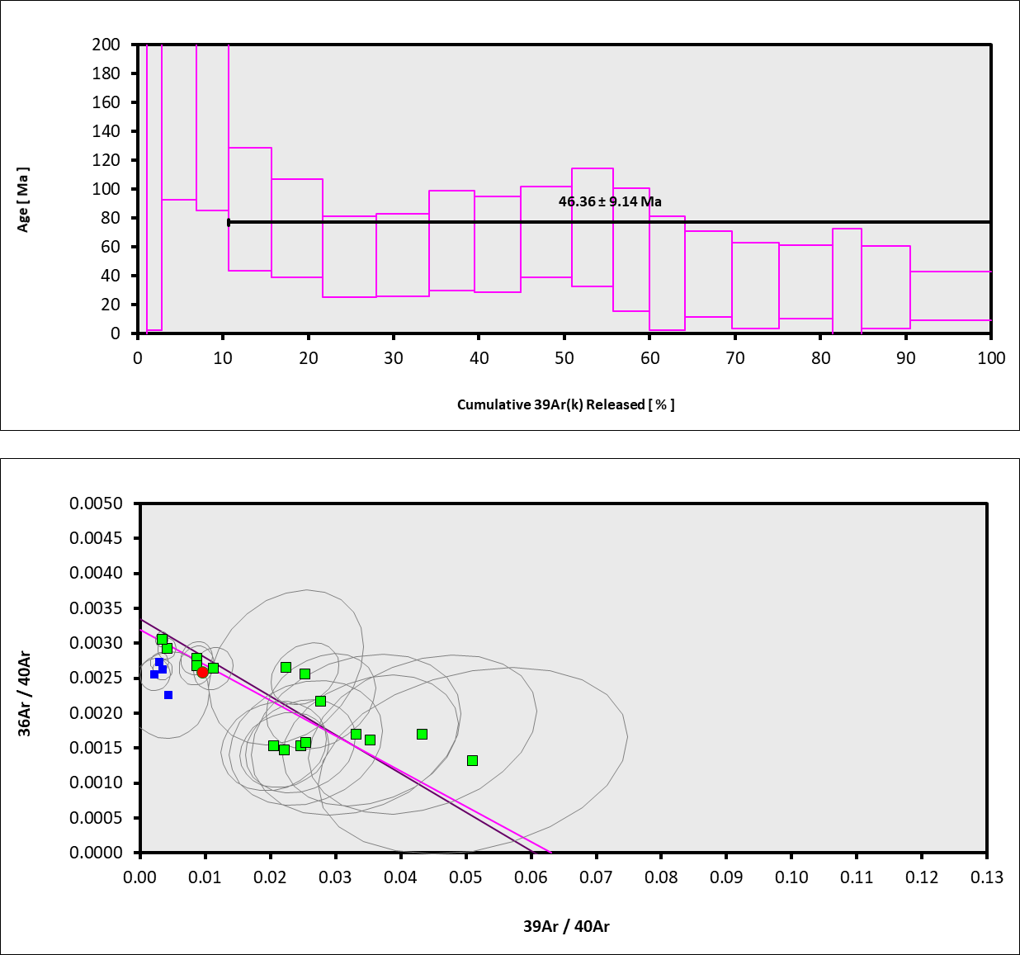
Lithology = Basalt
Lat-Lon = -11.1682, -169.8922
Age Equations = Min et al. (2000)
Negative Intensities = Allowed
Collector Calibrations = 36Ar
Decay 40K = 5.463 ± 0.107 E-10 1/a
Decay 39Ar = 2.940 ± 0.016 E-07 1/h
Decay 37Ar = 8.230 ± 0.012 E-04 1/h
Decay 36Cl = 2.257 ± 0.015 E-06 1/a
Decay 40K(EC,β⁺) = 0.580 ± 0.014 E-10 1/a
Decay 40K(β⁻) = 4.884 ± 0.099 E-10 1/a
Atmospheric 40/36(a) = 298.56 ± 0.31
Atmospheric 38/36(a) = 0.1885 ± 0.0003
Production 39/37(ca) = 0.0006425 ± 0.0000059
Production 38/37(ca) = 0.0001800 ± 0.0000173
Production 36/37(ca) = 0.0002703 ± 0.0000005
Production 40/39(k) = 0.000607 ± 0.000059
Production 38/39(k) = 0.012077 ± 0.000011
Production 36/38(cl) = 262.80 ± 1.71
Scaling Ratio K/Ca = 0.430
Abundance Ratio 40K/K = 1.1700 ± 0.0100 E-04
Atomic Weight K = 39.0983 ± 0.0001 g

Large individual heating step uncertainties are due to low concentrations of radiogenic 40 as well as 39; 37.

